Sheet1
Data Driven Scenario - Task 1

SKU | Name | QTY | Price
FR-R92B-58 | HL Road Frame - Black, 58 | 1060 | 1431.5
HL-U509 | Sport-100 Helmet, Black | 14 | 34.99
SO-B909-M | Mountain Bike Socks, M | 4 | 9.5
LJ-0192-M | Long-Sleeve Logo Jersey, M | 39 | 49.99
BK-R68R-58 | Road-450 Red, 58 | 885 | 1457.99

Data Driven Scenario - Task 2

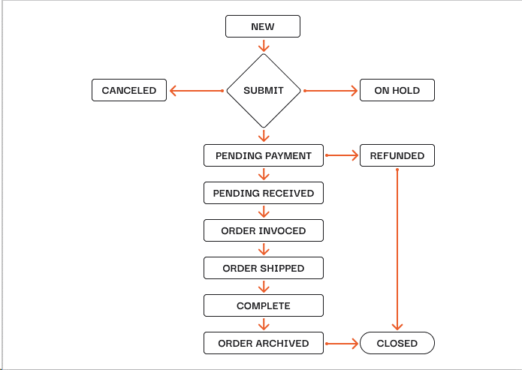

Data Driven Scenario - Task 2

12:00:00

Order Number | Status Date | Status
SO71780 | 12/14/22 | Paid
SO71774 | 12/14/22 | Paid
SO71832 | 12/14/22 | Shipped
SO71856 | 12/14/22 | Cancelled
SO71776 | 12/14/22 | Shipped

13:00:00

Order Number | Status Date | Status
SO71782 | 12/14/22 | Paid
SO71794 | 12/14/22 | Paid
SO71874 | 12/14/22 | Shipped
SO71856 | 12/14/22 | Refunded
SO71786 | 12/14/22 | Paid

14:00:00

Order Number | Status Date | Status
SO71782 | 12/14/2022 13:02:38 PM | Shipped
SO71792 | 12/14/2022 13:09:37 PM | Paid
SO71875 | 12/14/2022 13:17:49 PM | Paid
SO71866 | 12/14/2022 13:30:19 PM | Delivered
SO71793 | 12/14/2022 13:45:17 PM | Paid

15:00:00

Order Number | Status Date | Status
SO71873 | 12/14/2022 14:00:38 PM | Shipped
SO71792 | 12/14/2022 14:05:37 PM | Shipped
SO71832 | 12/14/2022 14:19:49 PM | Delivered
SO71880 | 12/14/2022 14:22:19 PM | Paid
SO71787 | 12/14/2022 14:55:17 PM | Paid

